index
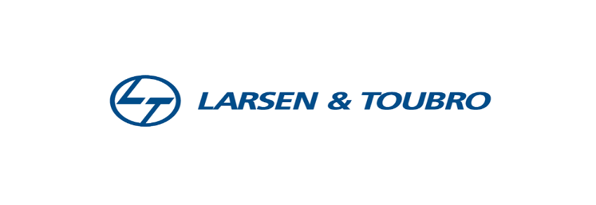


 | Company Name: | Larsen & Toubro Limited (L&T)
 | Parent Organization: | It is an Independent Company
 | Headquartes: | Mumbai, Maharashtra, India
 | Founder: | Henning Holck-Larsen
 |  | Søren Kristian Toubro

Sheet No | Sheet Name | Link to Sheet
1 | Index | Index!A1
2 | Income Statement Drivers | Income Sheet Drivers'!A1
3 | Balance Sheet Drivers | Balance Sheet Drivers'!A1
4 | forcast | forcast!A1
5 | Inocme Statement | Income Statement'!A1
6 | Balance Sheet | Balance Sheet'!A1
7 | Cashflow Statement | Cashflow Statement'!A1
8 | WACC | Weigheted Average Cost Of Cap..'!A1
9 | DCF | Discounted Cash Flow Model'!A1
10 | Comperative Analysis | Comperative Analysis'!A1
11 | Income Statement Raw Data | IS!A1
12 | Balance Sheet Raw Data | BS!A1
13 | Cashflow Statement Raw Data | CF!A1

